Sheet1
Name | Surname | email | Class | 1d | Week1 | Week2 | Week3 | Week4 | Week5
John | Makaron | JohnMakaron@gmail.com | Physics1 | P | 90.00% | 60.00% | 30.00% |  |  | Do not send email | Do Not Send
Olivia | Matt | OliviaMatt@gmail.com | Physics1 | P | 80.00% | 90.00% | 100.00% |  |  | Do not send email | Do Not Send
Diana | Pinto | DianaPinto@gmail.com | Physics1 | A | 40.00% | 700.00% | 50.00% |  |  | Send Email | Send Email
Kate | Potter | KatePotter@gmail.com | Physics1 | P | 100.00% | 80.00% | 100.00% |  |  | Do not send email | Do Not Send
Manny | Pac | MannyPac@gmail.com | Physics1 | A | 60.00% | 60.00% | 60.00% |  |  | Do not send email | Do Not Send
Katy | Perri | KatyPerri@gmail.com | Physics1 | P | 100.00% | 80.00% | 100.00% |  |  | Do not send email | Do Not Send
Antony | Ward | AntonyWard@gmail.com | Physics1 | P | 80.00% | 60.00% | 80.00% |  |  | Do not send email | Do Not Send
Billy | Sane | BillySane@gmail.com | Physics1 | P | 60.00% | 40.00% | 60.00% |  |  | Do not send email | Do Not Send
Ronald | Connan | RonaldConnan@gmail.com | Physics1 | A | 0.00% | 0.00% | 0.00% |  |  | Do not send email | Do Not Send
Anna | Tsakiris | AnnaTsakiris@gmail.com | Physics1 | P | 80.00% | 60.00% | 80.00% |  |  | Do not send email | Do Not Send
Neto | Juninhio | NetoJuninhio@gmail.com | Physics1 | P | 60.00% | 40.00% | 60.00% |  |  | Do not send email | Do Not Send

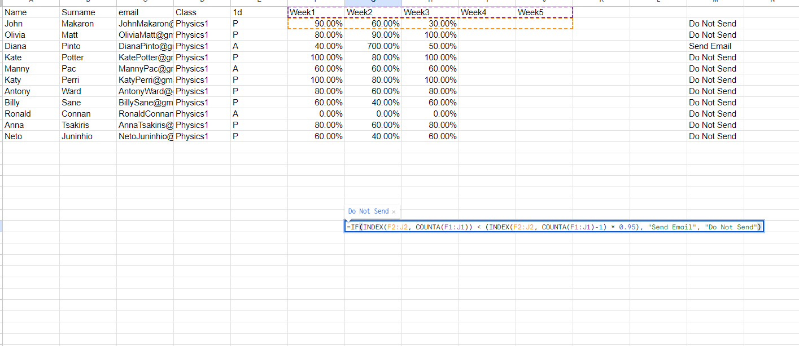

 |  |  |  |  |  | Do Not Send

